1. Title Page
[Project Name]

Project Name: Instacart Grocery Analysis
Date: May 25, 2023
Analyst Name: Dallas Skoda

Contents:
Population Flow
Consistency checks
Wrangling steps
Column derivations
Visualizations
Recommendations

2. Population Flow
Title page

Population flow

Exclusion flag
Condition: max_order < 5
Obervations to be removed: 1440295 Removed
Final total count of order_products_all: 30964564 Rows

The Final count of 30964564 is the amount used in the final analysis and visualizations.
Orders_products_combined
Orders_products_merged
Orders_products_all

Total: 32404859
Total: 32434899
Total: 32404859

1.) The grey boxes in the first row of the population flow represent the original data sets as they were when you downloaded them. In the Total fields you need to add the count of the rows when you imported the data set into Jupyter.
2.) The second row of boxes (coloured) represents the data sets after you manipulated them, e.g., removed missing values and duplicates. In the Total fields you need to add the count of the rows after conducting these operations. This offers a visual oveview of how the data flows throughout the data consistency checks.
3.) The third row, where also the arrows are coloured, represents the merges you performed between the datasets. In the Total fields you need to add the count of the rows in the merged datasets, so that you end up with the final dataset (in the red box). Keep in mind the final dataset should be without exclusions (based on the exclusion flag).

3. Consistency checks
 |  |  |  | Title page
Consistency checks

Dataset | Missing values | Missing values treatment | Duplicates
orders | 206209 missing values in "days_since_prior_order" column | No Change; These were a result of a customers first order and thus there could not be a prior order, so the empty value was acceptable | No Duplicates Found
products | 16 missing in "product_name" | These were strings and could not be imputed; these were dropped | 5 Duplicates dropped
products | Two items had unrealistic prices and were altered; From the Cottage Cheese and Reduced fat milk which had prices of $14,900 and $99,999 respectively; These were amended to $14.90 and $9.99 respectively. |  | No Duplicates Found
orders_products_prior | No missing values | N/A | No Duplicates Found
customers | 11259 Missing values in "First_Name" column | No Change; First name would not affect any statistics and was removed because of PII concerns | No Duplicates Found
combined_final | 2076096 missing values in "days_since_prior_order" column | No Change; These were a result of a customers first order and thus there could not be a prior order, so the empty value was acceptable; Changed type to str | No Duplicates Found
combined_final | 5 missing values in "median_freq" column | Imputed value of "1" because these customers had no prior order | No Duplicates Found
combined_final | 5 missing values in "order_freq_flag" column | Imputed value of "Non-Frequent customer" as these were the same 5 customers who were missing the median value. This means it was their first order and is then classified as a non-frequent customer | No Duplicates Found

4. Wrangling steps
 |  |  |  | Title page
Wrangling steps

Columns dropped | Columns renamed | Columns' type changed | Comment/Reason
eval_set from orders |  |  | Data was not needed
Unnamed from orders |  |  | Data was not needed
first_name from combined_final |  |  | Data was not needed and created privacy issue
last_name from combined_final |  |  | Data was not needed and created privacy issue
 | orders_dow to order_day_of_week |  | More meaningful name
 | Surname to last_name |  | More meaningful name
 | STATE to State |  | More consistency
 |  | order.order_id to str | It is a unique identifier and does not need to be an number.
 |  | order.user_id to str | It is a unique identifier and does not need to be an number.
_merge from ords_prods_combined |  |  | Data was not needed
Unnamed from df_prods |  |  | Data was not needed
 |  | customers.First Name to str | Had mixed types with missing values

5. Column derivations
 |  |  |  |  | Title page
In this tab you should add tables below that the frequences of flags/label variables that you produced after deriving them. NB: don't do this for continuous variables, only for flags.
Column derivations and aggregations

Dataset | New column | Column/s it was derived from | Conditions | Frequency
ords_prods_merged | price_label | prices | prices <= 5: 'Low-range product' | 10130750
 |  |  | prices > 5 & <= 15: 'Mid-range product' | 21861558
 |  |  | prices > 15: 'High-range product' | 412551
ords_prods_merged | busiest_day | order_day_of_week | "0" = Busiest day | 6204182
 |  |  | "4" = Least busy | 3783802
 |  |  | Else = Regularly busy | 22416875
ords_prods_merged | busiest days | orders_day_of_week | "0" or "1" = 'Busiest days' | 11864412
 |  |  | "4" or "3" = 'Slowest days ' | 7624336
 |  |  | else: 'Regularly busy' | 12916111
ords_prods_merged | busiest_period_of_day | order_hour_of_day | value = [0, 1, 5, 2, 4, 3] : 'Fewest orders' | 16128666
 |  |  | value = [ 10, 11, 14, 15, 13, 12]: 'Most orders' | 15679865
 |  |  | else: 'Average orders' | 596328
ords_prods_merged | max_order | order_number | Dataframe grouped by 'user_id' and 'order_number' transformed into maximum of 'order_number'
ords_prods_merged | loyalty_flag | max_order | max_order > 40 : 'Loyal customer' | 10284093
 |  |  | max_order <= 40 & > 10 : 'Regular customer', | 15876776
 |  |  | max_order < 10: 'New customer' | 6243990
ords_prods_merged | average_price | prices | Dataframe grouped by 'user_id' and 'prices' transformed into mean of 'prices'
ords_prods_merged | spending_flag | average_price | avg_price >= 10: 'High spender' | 119694
 |  |  | avg_price < 10 : 'Low spender' | 32285165
ords_prods_merged | median_freq | days_since_prior_order | Dataframe grouped by 'user_id' and 'days_since_prior_order' transformed into median of 'days_since_prior_order'
ords_prods_merged | order_freq_flag | median_freq | >20 days since prior order: 'Non-frequent customer' | 3636434
 |  |  | <= 20 & >10 days since prior order: 'Regular customer' | 7208564
 |  |  | <=10 days since prior order: 'Frequent customer' | 21559853
final | Region | State | Midwest' : https://simple.wikipedia.org/wiki/List_of_regions_of_the_United_States | 7597325
 |  |  | Northeast': https://simple.wikipedia.org/wiki/List_of_regions_of_the_United_States | 5722736
 |  |  | South': https://simple.wikipedia.org/wiki/List_of_regions_of_the_United_States | 10791885
 |  |  | West': https://simple.wikipedia.org/wiki/List_of_regions_of_the_United_States | 8292913
final | Order_flag | max_order | max_order < 5: 'Low-activity customer' | 1440295
 |  |  | max_order >= 5: 'High-activity customer' | 30964564
final_high | Age_Profile | Age | Age < 20: 'Teenager' | 974534
 |  |  | Age >= 20 & <= 35: 'Young Adult' | 7764271
 |  |  | Age > 35 & <= 65: 'Middle-Aged Adult' | 14030215
 |  |  | Age >= 65: 'Senior' | 8195544
final_high | Income_Profile | income | income < 67000: 'Low income' | 7661478
 |  |  | income >= 67000 & < 128000: 'Mid income' | 15549969
 |  |  | income >= 128000 & < 200000: 'High income' | 7498975
 |  |  | income >= 200000: 'Very High Income' | 254142
final_high | Diet Profile | department_id | If the customer has 0 orders from department_id index = 11 and 0 orders from department_id index =15: 'Vegan' | 309996
 |  |  | otherwise: 'Non-vegan' | 30654568
final_high | Family Profile | fam_status & n_dependants | (family_status = married) and (number_of_dependents == 1) : Married, w/o dependants | 7211061
 |  |  | (family_status = married) and (number_of_dependents >= 2) : Married w/ dependants | 14532650
 |  |  | (family_status in (single, divorced/widowed, living with parents and siblings)) and (number_of_dependents == 0) : Single w/o dependants | 7739681
 |  |  | (family_status in (single, divorced/widowed, living with parents and siblings)) and (number_of_dependents >= 1) : Single w/ dependants | 1481172
final_high | Pet Profile | department_id | If the customer has 0 orders from department_id index = 7 : 'No pet' | 27513213
 |  |  | otherwise: 'Pet owner' | 3451351

6. Visualizations
 |  |  |  |  |  |  |  |  |  |  |  |  | Title page
In this tab you should include all the visualtions from Exercises 4.9 and 4.10, alongside the questions from the project brief that they answer. Include any commentary on the relationship between different variables.
Visualisations

 | Key Question 1: When are the busiest days of the week and the busiest hours of the day in order to schedule ads when there are fewer orders
 | Key Question 2: Are there particular times of the day when people spend more money which might inform the type of products to advertise
 | Key Question 3: Simpler price range groupings for Marketing and Sales
 | Key Question 4: Are certain types of products more popular than others? Which departments have the highest frequency of product orders?
 | Key Question 5: What are different types of customers and how are their ordering behavior different?
 | Key Question 5.1 : Distribution among users in brand loyalty (how frequently they visit)
 | Key Question 5.2 : Customer loyalty status
 | Key Question 5.3 : differences in ordering based on customer's region?
 | Key Question 5.4 : Is there a connection between age and family status in terms of ordering habits?
 | Key Question 5.5 : Difference classifications based on demographic - Age, Income, family status, Certain types of goods?
 | Key Question 5.6: Any other differences in ordering habits

1 | The Sales team needs to know what the busiest days of the week and busiest hours of the day are in order to schedule ads at times when there are fewer orders

 |  | Saturday | Sunday | Monday | Tuesday | Wednesday | Thursday | Friday
 |  | 0 | 1 | 2 | 3 | 4 | 5 | 6




 |  | This shows the frequency of orders based on the day of the week. |  |  |  |  |  |  |  | This shows the frequency of orders once more in descending |  |  |  |  |  | This shows the frequency of orders based on the hour of the day
 |  | Saturday and Sunday have the highest order frequency. |  |  |  |  |  |  |  | order from highest to lowest based on days of the week. |  |  |  |  |  | Most orders between 9am and 5pm.
 |  |  |  |  |  |  |  |  |  | Saturday and Sunday have the highest order frequency.

 | 2. Are there particular times of the day when people spend more money?

 |  | Saturday | Sunday | Monday | Tuesday | Wednesday | Thursday | Friday
 |  | 0 | 1 | 2 | 3 | 4 | 5 | 6
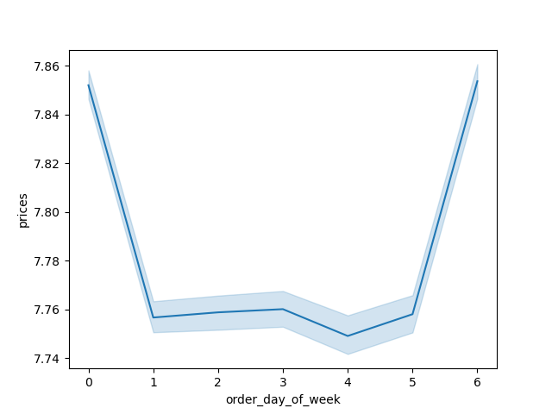


 |  | This shows what the average price of what is being ordered based on the day |  |  |  |  |  |  |  |  | This shows what the average price of what is being ordered based on the hour
 |  | of the week. The light blue shaded area shows the approximate extremes that |  |  |  |  |  |  |  |  | of the day. The light blue shaded area shows the approximate extremes that
 |  | these values can vary to. |  |  |  |  |  |  |  |  | these values can vary to.
 |  | Friday and Saturday have the highest average prices per order |  |  |  |  |  |  |  |  | The most expensive items are ordered in the morning around 3am and
 |  | so more expensive items are ordered on these days. |  |  |  |  |  |  |  |  | in the evening between 6pm and 10pm.

3. Instacart has a lot of products with different price tags. Marketing and sales want to use simpler price range groupings to help direct their efforts.
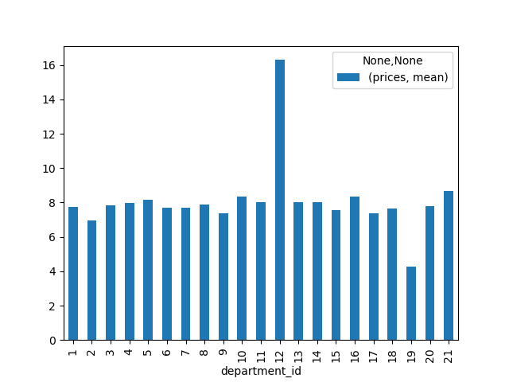
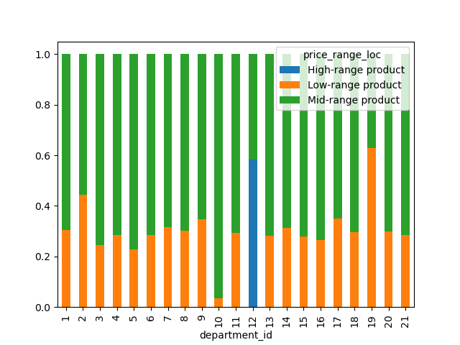

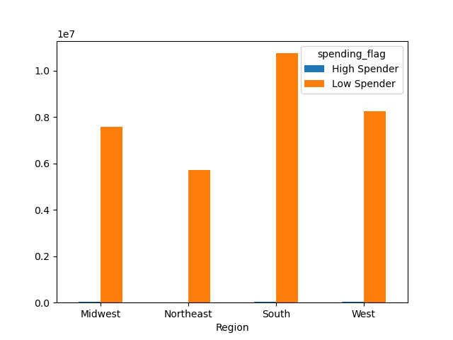

 |  |  | Department Data Dictionary
 | ID Number |  | Department
 | 1 |  | Frozen
 | 2 |  | Other
 | 3 |  | Bakery
 | 4 |  | Produce
 | 5 |  | Alcohol
 | 6 |  | International
 | 7 |  | Beverages
 | 8 |  | Pets
 | 9 |  | Dry Goods Pasta
 | 10 |  | Bulk
 | 11 |  | Personal Care
 | 12 |  | Meat Seafood
 | 13 |  | Pantry
 | 14 |  | Breakfast
 | 15 |  | Canned Goods
 | 16 |  | Dairy and Eggs
 | 17 |  | Household
 | 18 |  | Babies
 | 19 |  | Snacks
 | 20 |  | Deli
 | 21 |  | Missing |  |  |  |  |  | This histogram shows the number of products at each price point. |  |  |  |  |  |  |  |  |  |  |  |  |  |  | This stacked bar chart represents more information between the relationship of price
 |  |  |  |  |  |  |  |  | We can see that the majority of their products range from $1 to $15, |  |  |  |  |  |  | This chart shows variations of high spenders vs low spenders based on region. |  |  |  | This chart shows the average prices based on department. |  |  |  | ranges and departments. We can see once again that Meat/Seafood (12) has about
 |  |  |  |  |  |  |  |  | with the remainder ranging from $15-$25 |  |  |  |  |  |  | Proportionaly, there is no difference of how many high spenders |  |  |  | Meat/Seafood has the highest mean price. Snacks has the lowest. |  |  |  | 60% of their products in the high price range. We can also see that over 90% of Bulk
 |  |  |  |  |  |  |  |  |  |  |  |  |  |  |  | there are based on region |  |  |  |  |  |  |  | (10) has mid-range prices. Bulk was shown to be one of the lowest in sales numbers.
 |  |  |  |  |  |  |  |  | The y-axis represents number of orders (millions).

4. Are there certain types of products that are more popular than others? The marketing and sales teams want to know which departments have the highest frequency of product orders.

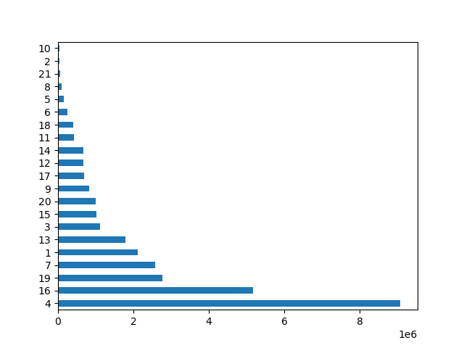

 |  |  | Department Data Dictionary
 | ID Number |  | Department
 | 1 |  | Frozen
 | 2 |  | Other
 | 3 |  | Bakery
 | 4 |  | Produce
 | 5 |  | Alcohol
 | 6 |  | International
 | 7 |  | Beverages
 | 8 |  | Pets
 | 9 |  | Dry Goods Pasta
 | 10 |  | Bulk
 | 11 |  | Personal Care
 | 12 |  | Meat Seafood
 | 13 |  | Pantry
 | 14 |  | Breakfast
 | 15 |  | Canned Goods
 | 16 |  | Dairy and Eggs
 | 17 |  | Household
 | 18 |  | Babies
 | 19 |  | Snacks
 | 20 |  | Deli |  |  |  |  | This horizontal bar chart shows number of orders by department.
 | 21 |  | Missing
 |  |  |  |  |  |  |  | This shows that the top five departments are (in descending order):
 |  |  |  |  |  |  |  | Produce, Dairy/Eggs, Snacks, Beverage & Frozen. Bottom two are
 |  |  |  |  |  |  |  | Bulk and Other.

 |  |  |  |  |  |  |  | The x-axis represents number of orders (millions).

5.1 What’s the distribution among users in regards to their brand loyalty (i.e., how often do they return to Instacart)?

 | Saturday | Sunday | Monday | Tuesday | Wednesday | Thursday | Friday
 | 0 | 1 | 2 | 3 | 4 | 5 | 6
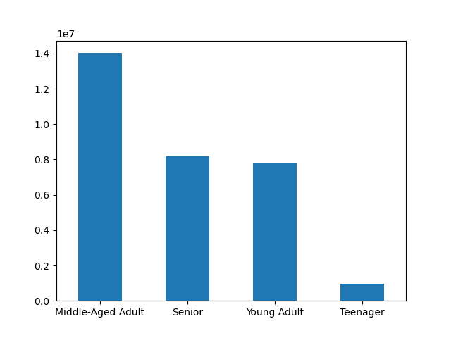
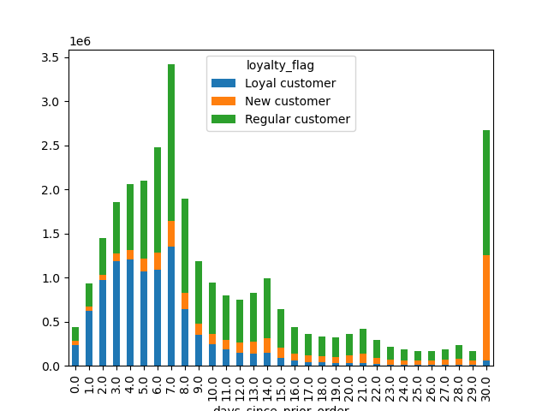
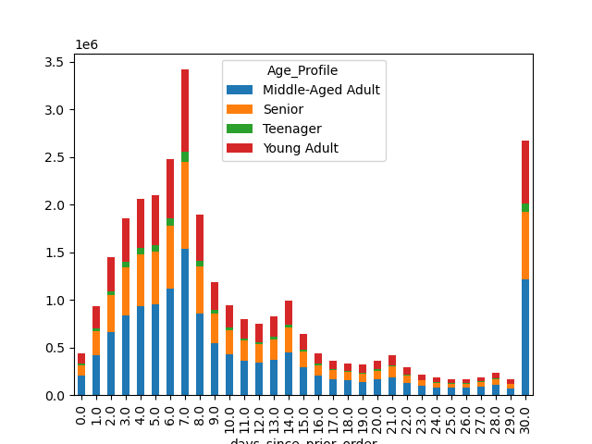
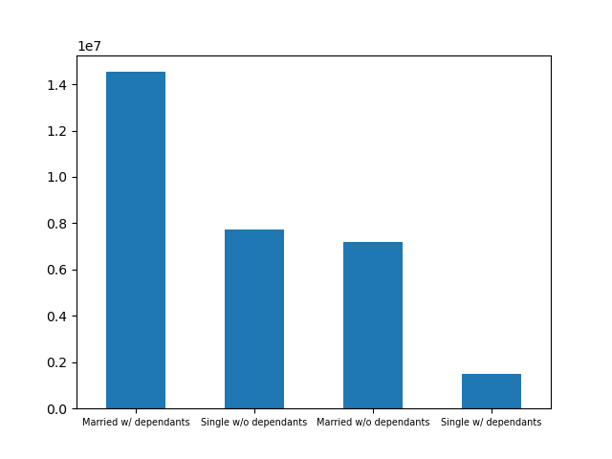
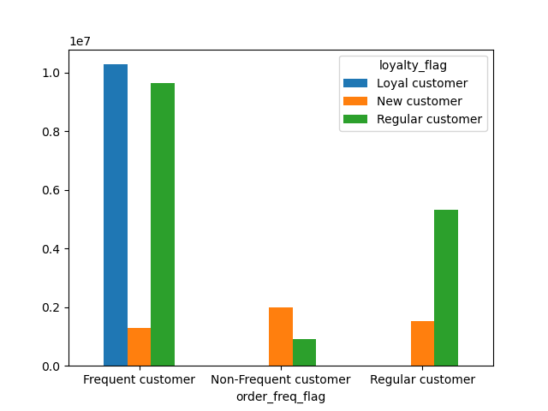
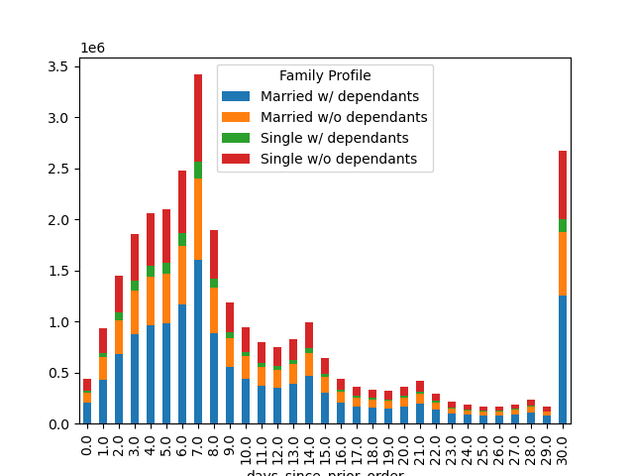

 |  |  | Department Data Dictionary
 | ID Number |  | Department
 | 1 |  | Frozen
 | 2 |  | Other
 | 3 |  | Bakery
 | 4 |  | Produce
 | 5 |  | Alcohol
 | 6 |  | International
 | 7 |  | Beverages
 | 8 |  | Pets
 | 9 |  | Dry Goods Pasta
 | 10 |  | Bulk
 | 11 |  | Personal Care
 | 12 |  | Meat Seafood
 | 13 |  | Pantry
 | 14 |  | Breakfast
 | 15 |  | Canned Goods
 | 16 |  | Dairy and Eggs
 | 17 |  | Household
 | 18 |  | Babies |  |  |  |  | This chart shows what proportion of customers are freuqent ordering customers |  |  |  |  |  |  |  | This chart shows hows many days since a customers last order based on |  |  |  |  | Distribution of users for frequency of return based on Age. |  |  | Distribution of users for frequency of return based on Family Profile. |  | This chart shows proportionality of customers based on Age profile. | This chart shows proportionality of customers based on Family profile.
 | 19 |  | Snacks |  |  |  |  | based on brand loyalty. |  |  |  |  |  |  |  | brand loyalty. |  |  |  |  | There is no difference proportionally on frequency based on age. |  |  | There is no difference proportionally on frequency based on Family profile.
 | 20 |  | Deli |  |  |  |  | Regular and Loyal customers order more frequently. |  |  |  |  |  |  |  | Loyal customers order within seven days while Regular customers
 | 21 |  | Missing |  |  |  |  |  |  |  |  |  |  |  |  | will order within the first seven days, then decreasing amounts with
 |  |  |  |  |  |  |  |  |  |  |  |  |  |  |  | the second most at 30 days. New customers order more often every
 |  |  |  |  |  |  |  |  |  |  |  |  |  |  |  | 30 days.
5.2 Are there differences in ordering habits based on a customer’s loyalty status?

 | Saturday | Sunday | Monday | Tuesday | Wednesday | Thursday | Friday |  |  |  |  |  |  |  |  |  |  |  |  |  |  |  |  |  |  |  |  |  | The chart to he left represents the frequency how people in each region (values in the y-axis are based on 10 millions). We can see that the heaviest population resides
 | 0 | 1 | 2 | 3 | 4 | 5 | 6 |  |  |  |  |  |  |  |  |  |  |  |  |  |  |  |  |  |  |  |  |  | in the South first, then West, the Midwest, then Northeast last.
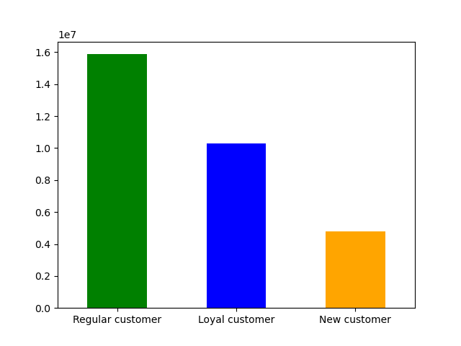
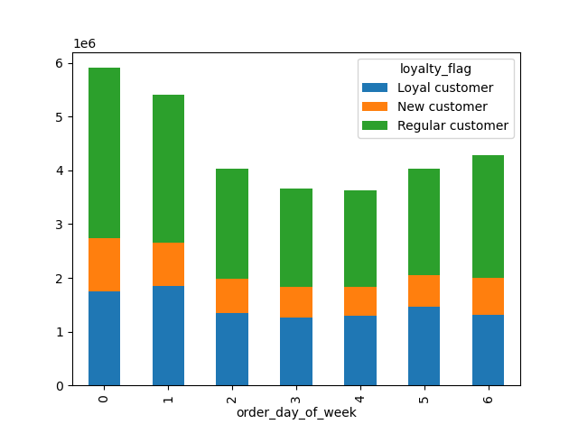
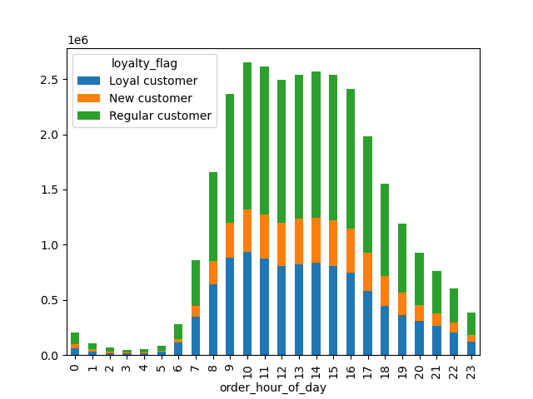
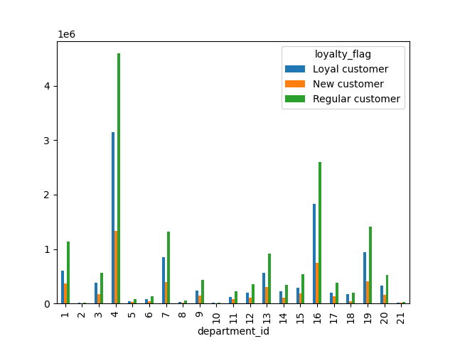
 |  |  |  |  |  |  |  |  |  |  |  |  |  |  |  |  |  |  |  |  |  |  |  |  |  |  |  |  | We used this information to cross reference between the Age Profile, Pet Profile, Diet Profile, Income Profile, Family Profile ad spending flags. In each cross referenced
 |  |  |  |  |  |  |  |  |  |  |  |  |  |  |  |  |  |  |  |  |  |  |  |  |  |  |  |  | profile, and each possible category, the proportion does not seem to change from that of the original frequency displayed o the left. In other words, there does not seem to be
 |  |  | Department Data Dictionary |  |  |  |  |  |  |  |  |  |  |  |  |  |  |  |  |  |  |  |  |  |  |  |  |  | any region that houses a particular higher range of profile, proportionately speaking. This ssimply means that we should disregard region when determing what profile
 | ID Number |  | Department |  |  |  |  |  |  |  |  |  |  |  |  |  |  |  |  |  |  |  |  |  |  |  |  |  | we think will have the highest sales.
 | 1 |  | Frozen
 | 2 |  | Other |  |  |  |  |  |  |  |  |  |  |  |  |  |  |  |  |  |  |  |  |  |  |  |  |  | This answers Key Question #5.3
 | 3 |  | Bakery
 | 4 |  | Produce
 | 5 |  | Alcohol
 | 6 |  | International
 | 7 |  | Beverages
 | 8 |  | Pets |  |  |  |  |  |  |  |  |  |  |  |  |  |  |  |  |  |  |  |  |  |  |  |  | This scatterplot shows the relationship between age and income. At each age group
 | 9 |  | Dry Goods Pasta |  |  |  |  |  |  |  |  |  |  |  |  |  |  |  |  |  |  |  |  |  |  |  |  | the majority of the population seems to be at a certain level We can see at ages up to
 | 10 |  | Bulk |  |  |  |  |  |  |  |  |  |  |  |  |  |  |  |  |  |  |  |  |  |  |  |  | 40, most peopole have income at $200,000 or below. The high earners seem to cap at
 | 11 |  | Personal Care |  |  |  |  |  |  |  |  |  |  |  |  |  |  |  |  |  |  |  |  |  |  |  |  | $400,000. After age 40, this increases to the majority of the population having income
 | 12 |  | Meat Seafood |  |  |  |  |  |  |  |  |  |  |  |  |  |  |  |  |  |  |  |  |  |  |  |  | at $300,000 or below and capping at $600,000 for the higher earners. Either way, there
 | 13 |  | Pantry |  |  |  |  |  |  |  |  |  |  |  |  |  |  |  |  |  |  |  |  |  |  |  |  | is a clear increase at around age 40.
 | 14 |  | Breakfast
 | 15 |  | Canned Goods |  |  |  |  |  |  |  |  |  |  |  |  |  |  |  |  |  |  |  |  |  |  |  |  | This could help us determine if the customers with higher spending power may have different
 | 16 |  | Dairy and Eggs |  |  |  |  |  |  |  |  |  |  |  |  |  |  |  |  |  |  |  |  |  |  |  |  | ordering habits.
 | 17 |  | Household |  |  |  | This chart shows the proportion of customers based on brand loyalty. |  |  |  |  |  |  | This chart shows the proportion of orders based on the days of the week. |  |  |  | This chart shows the propotion of orders based on hour of the day. |  |  |  |  | The chart shows orders by department based on brand loyalty.
 | 18 |  | Babies |  |  |  | Most customers are regular customers. |  |  |  |  |  |  | Proportionally there is little difference as to what day a customer |  |  |  | Proportionally there is little difference as to what hour of the day |  |  |  |  | Proportionally no difference in departments based on loyalty
 | 19 |  | Snacks |  |  |  |  |  |  |  |  |  |  | orders when considering the day of the week. |  |  |  | a customer orders when considering hours.
 | 20 |  | Deli
 | 21 |  | Missing

5.3 Are there differences in ordering habits based on a customer’s region?

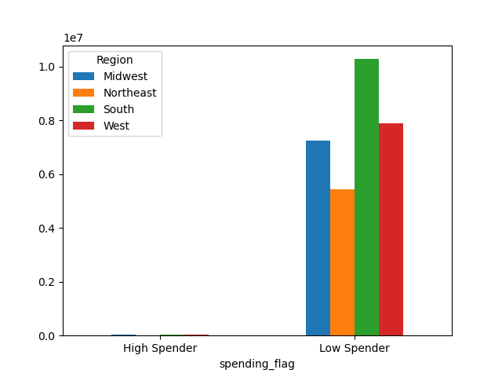
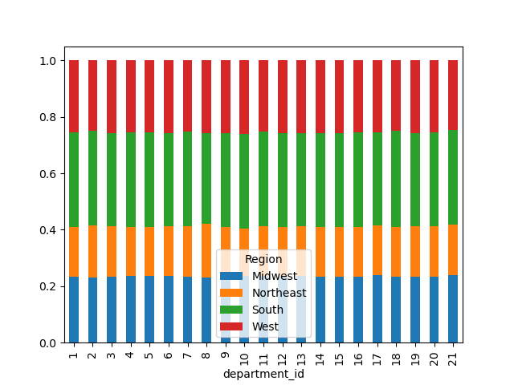
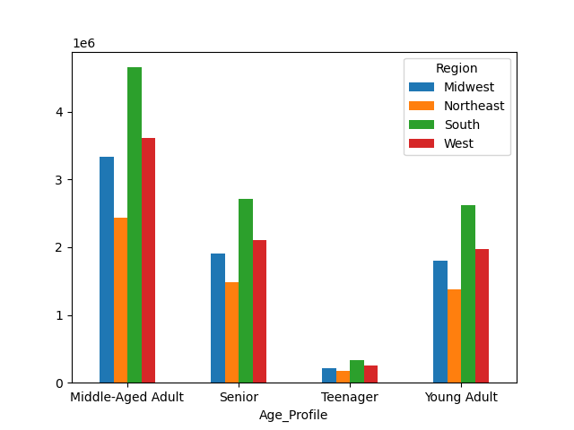
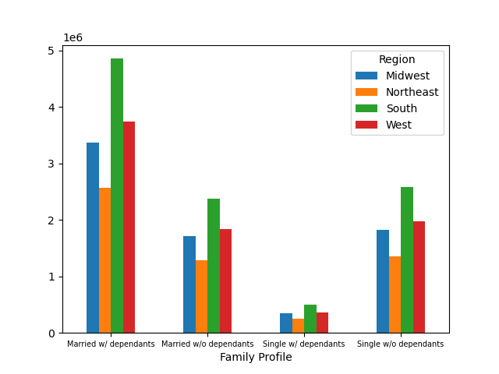
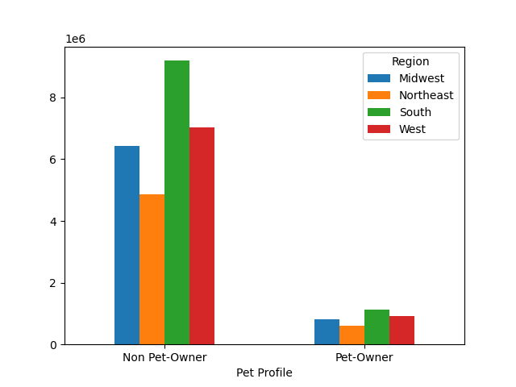
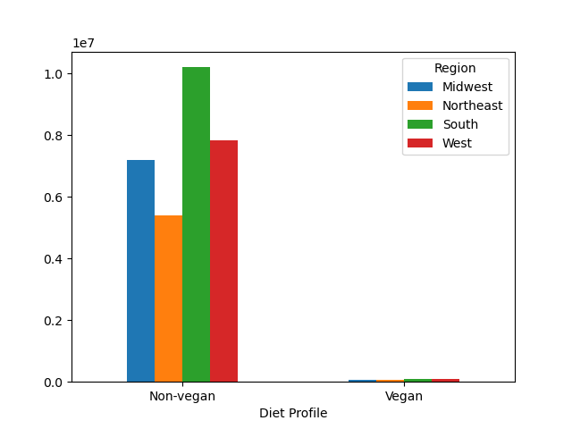
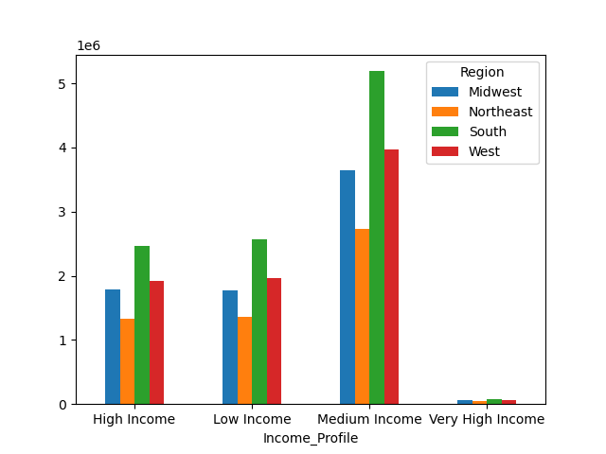

 |  |  | Department Data Dictionary
 | ID Number |  | Department
 | 1 |  | Frozen
 | 2 |  | Other
 | 3 |  | Bakery
 | 4 |  | Produce
 | 5 |  | Alcohol
 | 6 |  | International
 | 7 |  | Beverages
 | 8 |  | Pets
 | 9 |  | Dry Goods Pasta
 | 10 |  | Bulk
 | 11 |  | Personal Care
 | 12 |  | Meat Seafood
 | 13 |  | Pantry
 | 14 |  | Breakfast
 | 15 |  | Canned Goods
 | 16 |  | Dairy and Eggs
 | 17 |  | Household
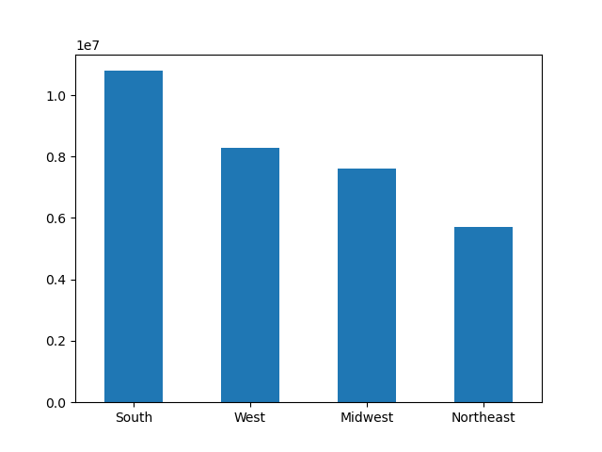
 | 18 |  | Babies
 | 19 |  | Snacks
 | 20 |  | Deli |  |  |  |  | This stacked bar shows the proportion of orders based on region. We
 | 21 |  | Missing |  |  |  |  | can see that there is very little difference in the ordering habits based |  |  |  |  |  |  |  |  |  |  |  | Based on the proportions in the blue chart to the left, there is no difference in customer diversity based on region (See all charts above).
 |  |  |  |  |  |  |  | on department when based on region.
 |  |  |  |  |  |  |  | The propotion is reflected by the number of customers in
 |  |  |  |  |  |  |  | that region which suggests no difference when considering
 |  |  |  |  |  |  |  | region to determine what department has more orders.

 |  |  |  |  |  |  |  |  |  |  |  |  |  |  |  |  |  | This chart shows which regions have the most number of customers.
 |  |  |  |  |  |  |  |  |  |  |  |  |  |  |  |  |  | This chart shows the most customers in the South, then
 |  |  |  |  |  |  |  |  |  |  |  |  |  |  |  |  |  | West, then Midwest, the Northeast. This supports the
 |  |  |  |  |  |  |  |  |  |  |  |  |  |  |  |  |  | notion in the chart to the left that region does not help
 |  |  |  |  |  |  |  |  |  |  |  |  |  |  |  |  |  | to determine department order freuqency

5.4 Is there a connection between age and family status in terms of ordering habits?

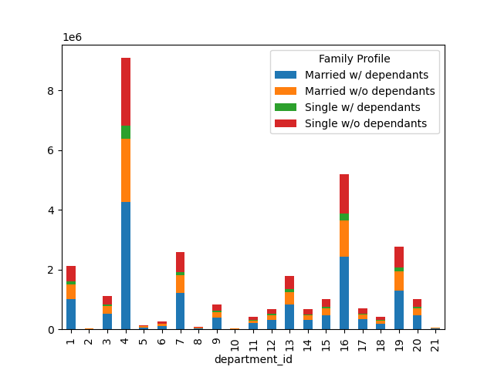
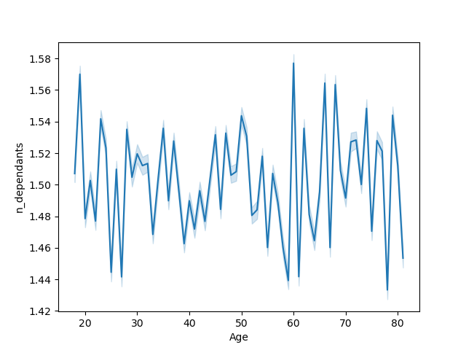
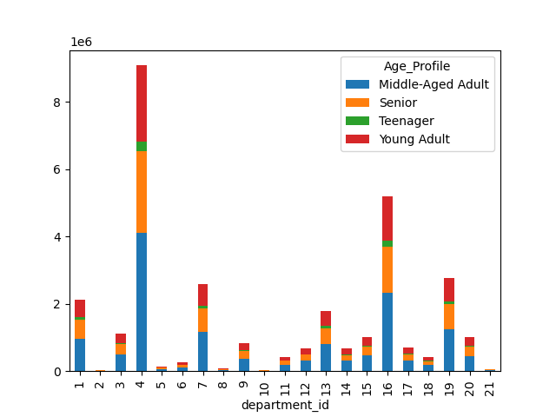

 |  |  |  |  |  |  |  |  |  |  |  |  |  |  |  |  |  |  |  |  | The bar chart to the left show ordering habits compared with family status. |  |  |  |  | The bar chart to the left show ordering habits compared with Age.
 |  |  | Department Data Dictionary |  |  |  |  |  |  |  |  |  |  |  |  |  |  |  |  |  | The bar chart directly below that chart shows the frequency of the family status. |  |  |  |  | The bar chart directly below that chart shows the frequency of the Age.
 | ID Number |  | Department |  |  |  |  |  |  |  |  |  |  |  |  |  |  |  |  |  | The majority of Instacarts customers are married with dependants and the |  |  |  |  | The majority of Instacarts customers are Middle-Aged Adults and the
 | 1 |  | Frozen |  |  |  |  |  |  |  |  |  |  |  |  |  |  |  |  |  | lowest category is Single with dependants. |  |  |  |  | lowest category is Teenager (likely since it only contains ages 18-19).
 | 2 |  | Other
 | 3 |  | Bakery
 | 4 |  | Produce
 | 5 |  | Alcohol
 | 6 |  | International
 | 7 |  | Beverages
 | 8 |  | Pets
 | 9 |  | Dry Goods Pasta
 | 10 |  | Bulk
 | 11 |  | Personal Care
 | 12 |  | Meat Seafood

 | 13 |  | Pantry
 | 14 |  | Breakfast
 | 15 |  | Canned Goods
 | 16 |  | Dairy and Eggs
 | 17 |  | Household |  |  |  | This line chart shows the relationship between age and number of dependants. |  |  |  |  |  |  |  |  |  |  |  |  |  |  |  |  |  |  |  | This chart to the left shows the number of customers based on age and income.
 | 18 |  | Babies |  |  |  | There does not seem to be any clear patterns that emerge from this data. We |  |  |  |  |  |  |  |  |  |  |  |  |  |  |  |  |  |  |  | This will allow us to see the sedning power of each age group. There is a clear
 | 19 |  | Snacks |  |  |  | would need more information to determine what this chart is saying, if anything. |  |  |  |  |  |  |  |  |  |  |  |  |  |  |  |  |  |  |  | rise in income afer the age of 40. Before 40, most people have income of
 | 20 |  | Deli |  |  |  | Some speculation at certain peaks such as age 19 may be young parents are |  |  |  |  |  |  |  |  |  |  |  |  |  |  |  |  |  |  |  | $200K or less, with the remainder no more than $400K. After age 40, this range
 | 21 |  | Missing |  |  |  | the spike at age 60 may be adults taking care of their elderly parents, but we would |  |  |  |  |  |  |  |  |  |  |  |  |  |  |  |  |  |  |  | increases from $200K to $300K and $00K to $600K respectively.
 |  |  |  |  |  |  | need more information to determine the specifics and create insights.

5.5 What different classifications does the demographic information suggest? Age? Income? Certain types of goods? Family status?

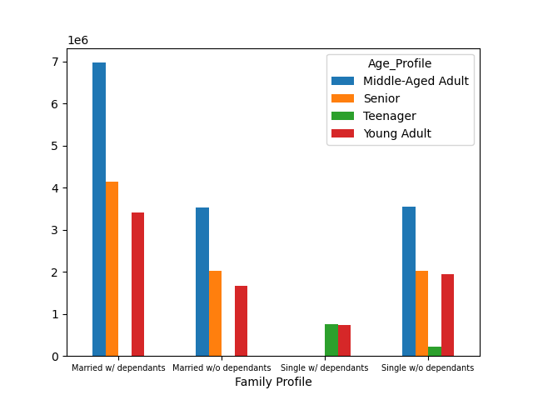
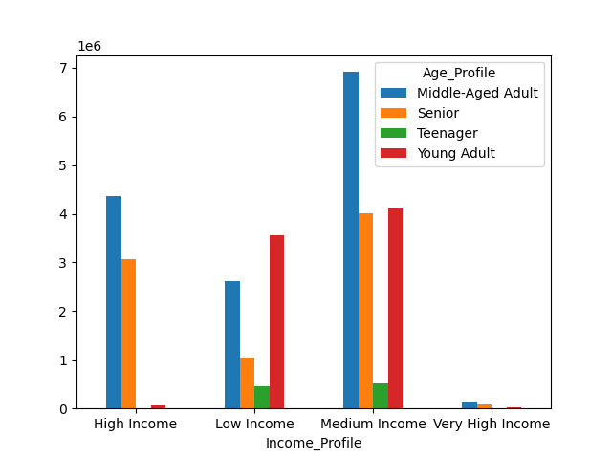
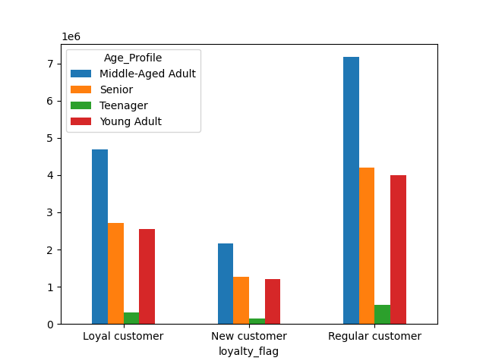
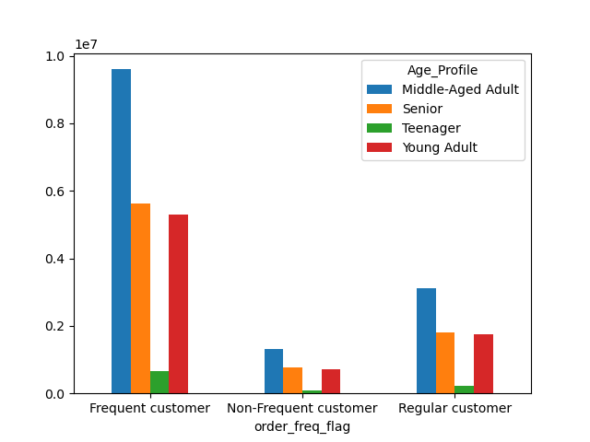

 |  |  |  |  |  |  |  |  |  |  |  |  |  |  |  |  |  |  |  |  |  |  |  |  | The charts to the left show the relationships between Age and
 |  |  |  |  |  |  |  |  |  |  |  |  |  |  |  |  |  |  |  |  |  |  |  |  | Family Profile, Income Profile, Loyalty Status and Frequency
 |  |  |  |  |  |  |  |  |  |  |  |  |  |  |  |  |  |  |  |  |  |  |  |  | Status.

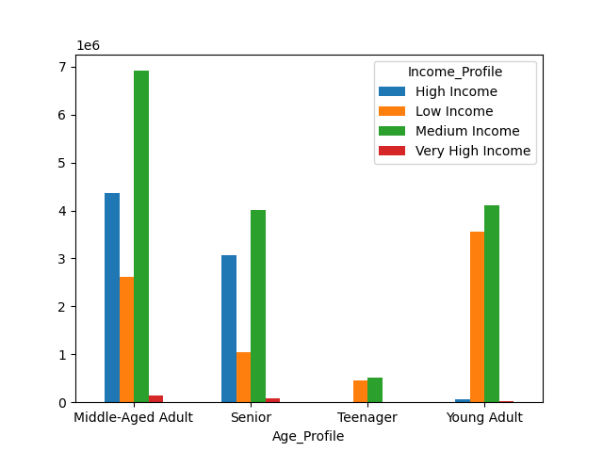
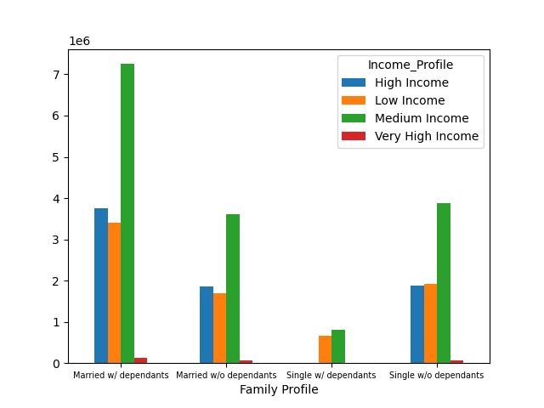
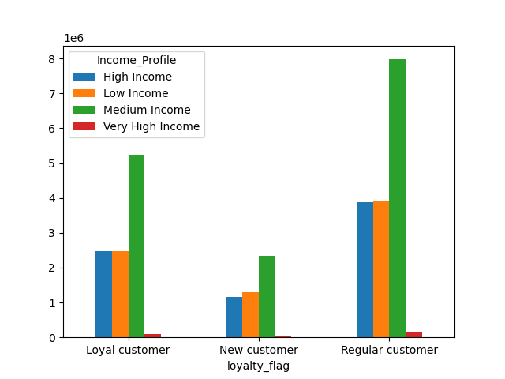
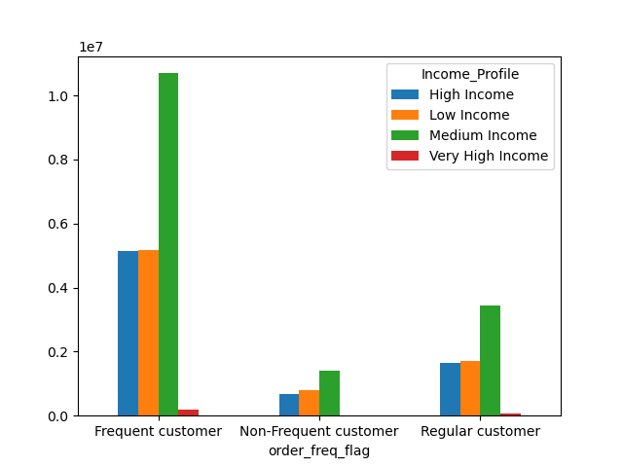

 |  |  |  |  |  |  |  |  |  |  |  |  |  |  |  |  |  |  |  |  |  |  |  |  | The charts to the left show the relationships between Income and
 |  |  |  |  |  |  |  |  |  |  |  |  |  |  |  |  |  |  |  |  |  |  |  |  | Family Profile, Age Profile, Loyalty Status and Frequency
 |  |  |  |  |  |  |  |  |  |  |  |  |  |  |  |  |  |  |  |  |  |  |  |  | Status.

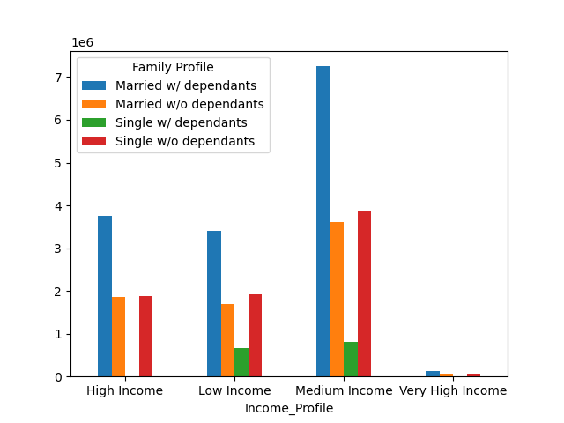
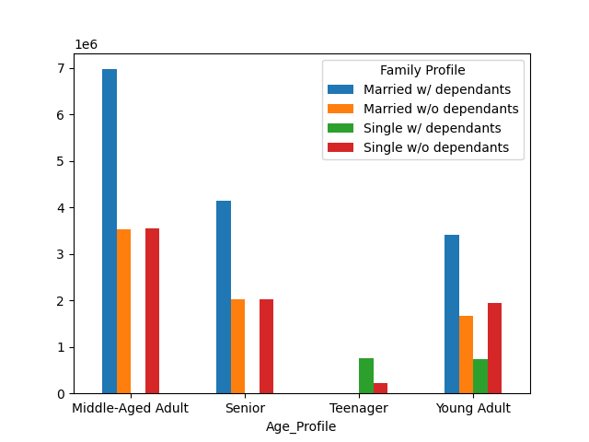
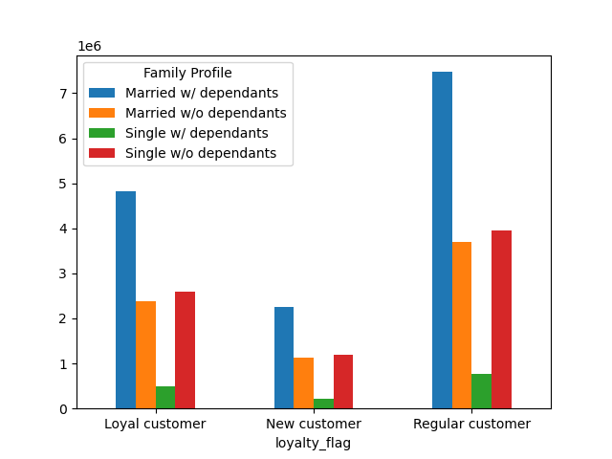
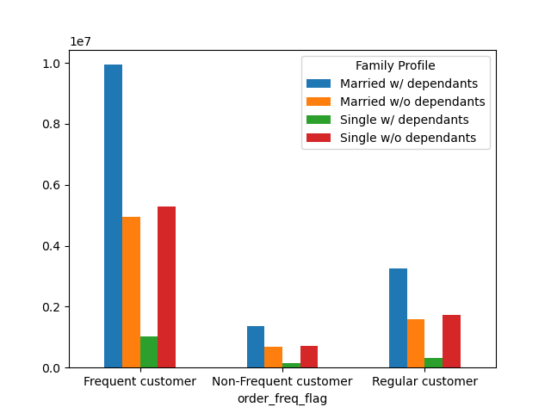

 |  |  |  |  |  |  |  |  |  |  |  |  |  |  |  |  |  |  |  |  |  |  |  |  | The charts to the left show the relationships between Family and
 |  |  |  |  |  |  |  |  |  |  |  |  |  |  |  |  |  |  |  |  |  |  |  |  | Income Profile, Age Profile, Loyalty Status and Frequency
 |  |  |  |  |  |  |  |  |  |  |  |  |  |  |  |  |  |  |  |  |  |  |  |  | Status.

 |  |  | From this column we can see the relationship between |  |  |  |  |  |  |  |  | These columns provide the information displayed in the
 |  |  | Age/Income Profiles, Family/Income Profiles and |  |  |  |  |  |  |  |  | columns to the left, but with the axes reversed |  |  |  |  | From this column we can see that Loyal Customers are mostly |  |  |  |  | From this column we can see that Frequent customers are Middle Aged,
 |  |  | Income/Age Profiles |  |  |  |  |  |  |  |  |  |  |  |  |  | Middle Aged, Medium Income and Married w/ Dependants |  |  |  |  | with a Medium Income and are Married w/ Dependents

5.6 What differences can you find in ordering habits of different customer profiles?

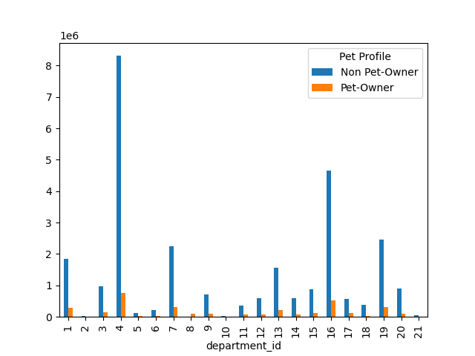
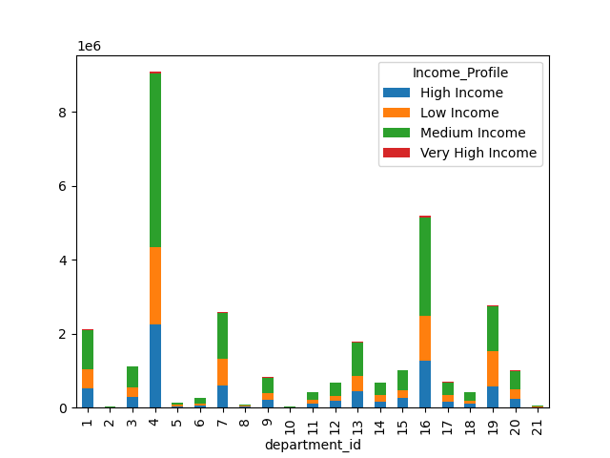
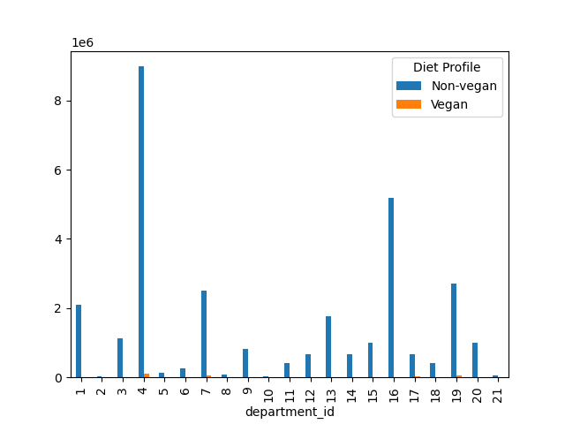

 |  |  | Department Data Dictionary
 | ID Number |  | Department
 | 1 |  | Frozen
 | 2 |  | Other
 | 3 |  | Bakery
 | 4 |  | Produce
 | 5 |  | Alcohol
 | 6 |  | International
 | 7 |  | Beverages
 | 8 |  | Pets
 | 9 |  | Dry Goods Pasta
 | 10 |  | Bulk
 | 11 |  | Personal Care
 | 12 |  | Meat Seafood
 | 13 |  | Pantry
 | 14 |  | Breakfast
 | 15 |  | Canned Goods
 | 16 |  | Dairy and Eggs
 | 17 |  | Household
 | 18 |  | Babies
 | 19 |  | Snacks
 | 20 |  | Deli
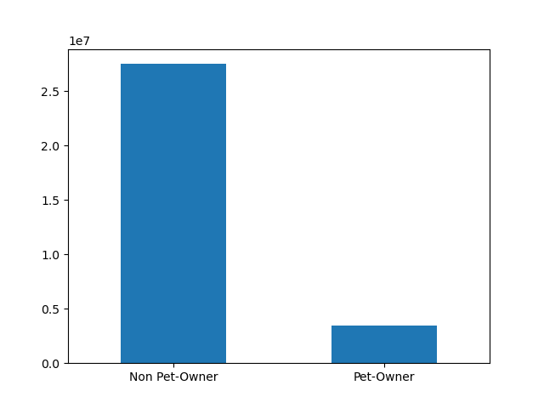
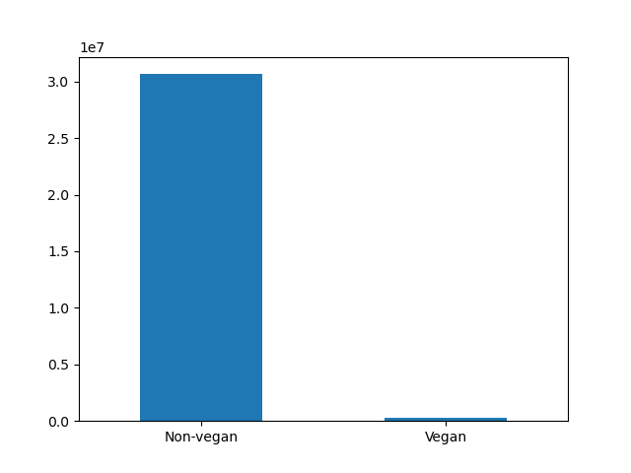
 | 21 |  | Missing
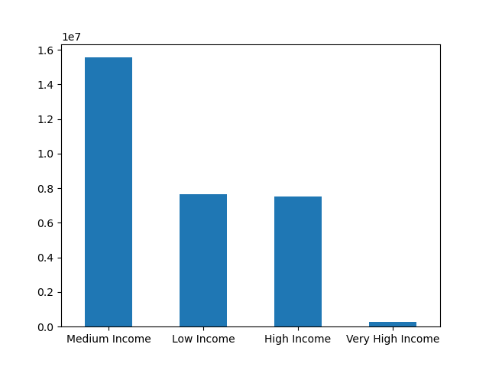

 |  |  |  |  |  |  |  | This column shows the proportion of pet owners to non- |  |  |  |  |  |  | This column shows the proportion between income profiles |  |  |  | This column shows the proportion of vegans to non-
 |  |  |  |  |  |  |  | pet owners and the departments they shop in. |  |  |  |  |  |  | and the departments they shop in. |  |  |  | vegans and the departments they shop in.

7. Recommendations
 |  |  |  |  |  |  | Title page
In this tab you should include any recommendations you would made to Instcart in terms of their marketing strategy based on the questions posed in the brief. Every key question has been covered in the Tasks of the Exercises - here you need to add an item - a visualisation or table/crosstable that is showing the answer in the data, acompanied by a comment from you. Please, list the questions below and add the answer underneath.
Recommendations

Key Questions:
1 | The Sales team needs to know what the busiest days of the week and busiest hours of the day are in order to schedule ads at times when there are fewer orders

 |  |  |  |  |  |  |  |  | Saturday | Sunday | Monday | Tuesday | Wednesday | Thursday | Friday
 |  |  |  |  |  |  |  |  | 0 | 1 | 2 | 3 | 4 | 5 | 6

 |  | Saturday and Sunday are the busiest days of the week. Tuesday and Wednesday are the slowest days of the week.

 |  | Orders reach their peak between 9am and 5pm. This seems reasonable given that these are standard business hours.

 |  | Recommendation: Instacart should place ads during the slow days, Tuesday and Wednesday between 9am and 5pm to maximize customer outreach.

 | 2. Are there particular times of the day when people spend more money?

 |  | From the first visualization we can see that the average price per item is highest on Friday and Saturday. The remainder of the week seems to plateau around the $7.75/item average.
 |  | This suggests that customers order pricer items on average during Friday and Saturday, closer to $7.85/item.

 |  | The second visualization shows that average price per item peaks between 3-4AM. There is much variability here though (shown by the light blue shaded areas) so these can vary quite
 |  | wildly. The other peaks are typically around 6PM and 10PM, where the variability is also much lower.

 |  | Recommendation: Instacart should place ads for higher priced items when orders are low. They should also place more ads during the evening hours between 6-10PM when orders are lower.

3. Instacart has a lot of products with different price tags. Marketing and sales want to use simpler price range groupings to help direct their efforts.

 |  |  |  |  |  |  |  |  |  |  |  |  |  |  |  |  | Department Data Dictionary
 |  |  |  |  |  |  |  |  |  |  |  |  |  |  |  | ID Number | Department
 |  |  |  |  |  |  |  |  |  |  |  |  |  |  |  | 1 | Frozen
 |  |  |  |  |  |  |  |  |  |  |  |  |  |  |  | 2 | Other
 |  |  |  |  |  |  |  |  |  |  |  |  |  |  |  | 3 | Bakery
 |  |  |  |  |  |  |  |  |  |  |  |  |  |  |  | 4 | Produce
 |  |  |  |  |  |  |  |  |  |  |  |  |  |  |  | 5 | Alcohol
 |  |  |  |  |  |  |  |  |  |  |  |  |  |  |  | 6 | International
 |  |  |  |  |  |  |  |  |  |  |  |  |  |  |  | 7 | Beverages
 |  |  |  |  |  |  |  |  |  |  |  |  |  |  |  | 8 | Pets
 |  |  |  |  |  |  |  |  |  |  |  |  |  |  |  | 9 | Dry Goods Pasta
 |  |  |  |  |  |  |  |  |  |  |  |  |  |  |  | 10 | Bulk
 |  |  |  |  |  |  |  |  |  |  |  |  |  |  |  | 11 | Personal Care
 |  |  |  |  |  |  |  |  |  |  |  |  |  |  |  | 12 | Meat Seafood
 |  |  |  |  |  |  |  |  |  |  |  |  |  |  |  | 13 | Pantry
 |  |  |  |  |  |  |  |  |  |  |  |  |  |  |  | 14 | Breakfast
 |  |  |  |  |  |  |  |  |  |  |  |  |  |  |  | 15 | Canned Goods
 |  |  |  |  |  |  |  |  |  |  |  |  |  |  |  | 16 | Dairy and Eggs
 |  |  |  |  |  |  |  |  |  |  |  |  |  |  |  | 17 | Household
 |  |  |  |  |  |  |  |  |  |  |  |  |  |  |  | 18 | Babies
 |  |  |  |  |  |  |  |  |  |  |  |  |  |  |  | 19 | Snacks
 |  | Instacart has the vast majority of its products in the Mid-Range product as demonstrated by the far left visual. This also shows us that Meat/Seafood (12) has mostly high-range product prices and the highest average price per item |  |  |  |  |  |  |  |  |  |  |  |  |  | 20 | Deli
 |  | shown by the center visual. The Bulk category has primarily Mid-Range products and Snacks have primarily Low-Range products. |  |  |  |  |  |  |  |  |  |  |  |  |  | 21 | Missing

 |  | Based on the Histogram above, we can also see that the vast majority of Instacarts products are between the range of $1-$15

 |  | Recommendation: The best way to simplify the price ranges would be to split the Mid-Range product category into smaller portions. Given that most of their prodcust fall into this category,
 |  | they could easily separate the range of $5-$15 into two, or even three, subcategories. $5-$8.49, $8.50-$11.99, $12-$15

4. Are there certain types of products that are more popular than others? The marketing and sales teams want to know which departments have the highest frequency of product orders.

 |  |  |  |  |  | Department Data Dictionary
 |  |  |  | ID Number |  | Department
 |  |  |  | 1 |  | Frozen
 |  |  |  | 2 |  | Other
 |  |  |  | 3 |  | Bakery
 |  |  |  | 4 |  | Produce
 |  |  |  | 5 |  | Alcohol
 |  |  |  | 6 |  | International
 |  |  |  | 7 |  | Beverages
 |  |  |  | 8 |  | Pets
 |  |  |  | 9 |  | Dry Goods Pasta
 |  |  |  | 10 |  | Bulk
 |  |  |  | 11 |  | Personal Care
 |  |  |  | 12 |  | Meat Seafood
 |  |  |  | 13 |  | Pantry
 |  |  |  | 14 |  | Breakfast
 |  |  |  | 15 |  | Canned Goods
 |  |  |  | 16 |  | Dairy and Eggs
 |  |  |  | 17 |  | Household
 |  |  |  | 18 |  | Babies
 |  |  |  | 19 |  | Snacks
 |  |  |  | 20 |  | Deli
 |  |  |  | 21 |  | Missing

 |  | The highest frequency of orders come from these top 5 departments in descending order: Produce (4), Dairy/Eggs (16), Snacks (19), Beverages (7) and Frozen (1).

 |  | The above sales are represented in Millions of items ordered. Previously we saw that Meat/Seafood had the highest number of items in the high-price range. We also saw that only a small portion of items that were purchased were these
 |  | items in that range as represented by the revious histogram in Q3. We can see here that Meat/Seafood (12), is one of the less purchased items.

 |  | Recommendation: Increase marketing efforts to Meat/Seafood department as they offer items with much higher average prices. Target ads to focus on departments that have medium sales, primarily Pantry(13), Bakery (3), Canned Goods (15),
 |  | Deli (20), and Dry Goods Pasta (9). These departments have decent sales and have the most to gain from additional advertising.

5.1 What’s the distribution among users in regards to their brand loyalty (i.e., how often do they return to Instacart)?

 |  | Loyal customers primarily return to Instacart within the first seven days. Day seven has the highest number in terms of when a customers last order was regardless of loyalty.

 |  | Frequent customers are primarily the Loyal and Regular customers. Instacart is made up of primarily Regular customers.

 |  | Each department is proportionally equal to the loyalty status as demonstrated on the frequency chart on the far left compared to the crosstab between departments on the chart second from the right.

 |  | Recommendation: Advertisements are better aimed at New and Regular customers in order to upgrade their status to Loyal Customers. Offering loyalty programs based on number of orders or frequency of orders
 |  | would be a good way to convert these types of customers and increase sales.

5.2 Are there differences in ordering habits based on a customer’s loyalty status?

 |  | The ordering habits of customers based on loyalty status is relatively consistent across all departments. There is some minor variation, but proportionally it remains consistent.

 |  | Recommendation: Instacart should focus on trying to increase sales by making ads for departments that were identified already as having more opportunity such as Pantry, Bakery, Canned Goods, Deli and Dry Goods Pasta.
 |  | They should also focus their efforts more on converting new and regular customers into loyal customers by offering added points to these departments.

5.3 Are there differences in ordering habits based on a customer’s region?

 |  | As we can see the ordering habits between the regions are fairly homogenous.

 |  | Recommendation: Instacart can introduce loyalty programs that increases loyalty based on referrals of new customers. This could help increase the number of new customers coming in

5.4 Is there a connection between age and family status in terms of ordering habits?

 |  | As we can see above, there is no real relationship between age anf family status. The variations between age and number of dependants seems to vary quite wildly from 18 to 81. We can make an inference that
 |  | the spike at age 60 could be due to children taking care of their older parents, but we would need more information in order to determine this. From the infromation that we have, there is no infomration to suggest
 |  | that age and family status affects ordering habits. We can see that people who are married with dependents make up the largest portion and they comprise primarily of middle-aged adults and medium income earners
 |  | They do not have any variations in ordering habits in terms of department, time of day or day of the week.
5.5 What different classifications does the demographic information suggest? Age? Income? Certain types of goods? Family status?

 |  |  | Order Frequency Column |  | Loyalty Column

 |  |  |  |  |  |  |  | We cannot find any significant differences in the types of goods that people buy based on Age, Income, Family Status, Loyalty status or Customer frequecy status.
 |  |  |  |  |  |  |  | We can see that the most frequent customers are Middle-aged, Medium Income Married w/ Dependents customers.

 |  |  |  |  |  |  |  | We can also see that Middle-aged customers are primarily regular customers. As we have seen above, loyal customers are the customers that make the most orders
 |  |  |  |  |  |  |  | in 6-7 days.

 |  |  |  |  |  |  |  | Recommendation: Instacart needs to focus on creating rewards programs targeted converting Middle-Aged customers to loyal customers.
 |  |  |  |  |  |  |  | Loyalty and Order Frequency have the largest variations when considering demographic information. Instacart needs to focus on increasing
 |  |  |  |  |  |  |  | Loyalty status in order to increase order frequency. This can be done by targeting the top selling foods during the top selling times of the day
 |  |  |  |  |  |  |  | and days of the week as illustated above.

5.6 What differences can you find in ordering habits of different customer profiles?

 | There are no differences in ordering habits between the profiles, the regions or the loyalty status. Proportaionally, they all purchase goods at approximately the same rates with the exception of Pet Owners purchasing more pet supplies.

